Sheet1
Ecommerce App | 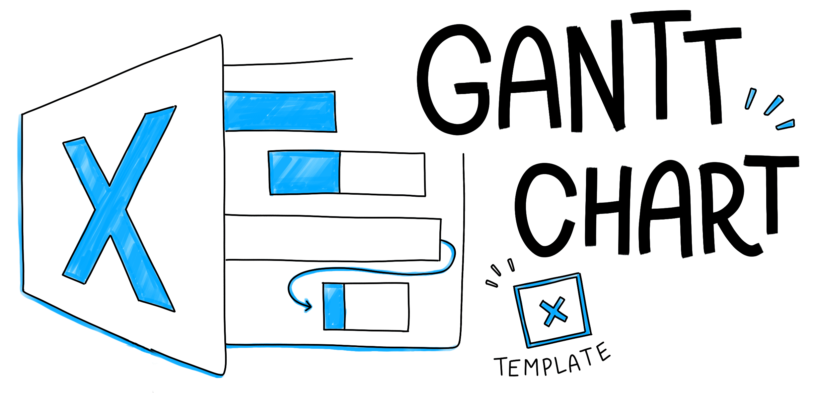
Members:Zach, Yahyah, Alexis, Danni

Sample Project Gantt Chart
 | Start Dates | Duration
Task 1 | 1/25/18 | 5
Task 2 | 1/25/18 | 7
Task 3 | 1/27/18 | 8
Task 4 | 1/29/18 | 8
Task 5 | 2/1/18 | 8
Task 6 | 2/1/18 | 4
Task 7 | 2/3/18 | 7
Task 8 | 2/5/18 | 7
Task 9 | 2/3/18 | 6
Task 10 | 2/6/18 | 4
Task 11 | 2/7/18 | 6
Task 12 | 2/10/18 | 6
Task 13 | 2/14/18 | 5
Task 14 | 2/15/18 | 8
Task 15 | 2/16/18 | 10
Task 16 | 2/20/18 | 8
Task 17 | 2/24/18 | 5
TASK NAME | ASSIGNED TO | START DATE | DUE DATE | DURATION | % DONE | DESCRIPTION | PRIORITY | SPRINT/MILESTONE
Task 1 |  | 2018-01-25 | 2018-01-30 | 5 |  |  |  | Phase 1
Task 2 |  | 2018-01-25 | 2018-02-01 | 7 |  |  |  | Phase 1
Task 3 |  | 2018-01-27 | 2018-02-04 | 8 |  |  |  | Phase 1
Task 4 |  | 2018-01-29 | 2018-02-06 | 8 |  |  |  | Phase 1
Task 5 |  | 2018-02-01 | 2018-02-09 | 8 |  |  |  | Phase 1
Task 6 |  | 2018-02-01 | 2018-02-05 | 4 |  |  |  | Phase 2
Task 7 |  | 2018-02-03 | 2018-02-10 | 7 |  |  |  | Phase 2
Task 8 |  | 2018-02-05 | 2018-02-12 | 7 |  |  |  | Phase 2
Task 9 |  | 2018-02-03 | 2018-02-09 | 6 |  |  |  | Phase 2
Task 10 |  | 2018-02-06 | 2018-02-10 | 4 |  |  |  | Phase 2
Task 11 |  | 2018-02-07 | 2018-02-13 | 6 |  |  |  | Phase 3
Task 12 |  | 2018-02-10 | 2018-02-16 | 6 |  |  |  | Phase 3
Task 13 |  | 2018-02-14 | 2018-02-19 | 5 |  |  |  | Phase 3
Task 14 |  | 2018-02-15 | 2018-02-23 | 8 |  |  |  | Phase 3
Task 15 |  | 2018-02-16 | 2018-02-26 | 10 |  |  |  | Phase 4
Task 16 |  | 2018-02-20 | 2018-02-28 | 8 |  |  |  | Phase 4
Task 17 |  | 2018-02-24 | 2018-03-01 | 5 |  |  |  | Phase 4

